1. Title Page
[Grocery Basket Analysis]

Project Name: Instacart Grocery Basket Analysis
Date: 05/02/2014
Analyst Name: Chloé Maneval

Contents:
Population Flow
Consistency checks
Wrangling steps
Column derivations
Visualizations
Recommendations

Data Source: | “The Instacart Online Grocery Shopping Dataset 2017”, Accessed from www.instacart.com/datasets/grocery-shopping-2017 via Kaggle on 05/02/2024.
 | Parts of the data set were fabricated for the purpose of a Data Analytics course, provided by CareerFoundry.

2. Population Flow
Title page

Population flow

Exclusion flag
Condition: max_order < 5
Observations to be removed during consistency checks: 21
Observations to be removed when merging: 29630
Final total count of order_products_all: 32404859,30

Orders_products_all
Orders_products_combined
Orders_products_merged

Total: (32434489, 9)
Total: (32404859, 14)
Total: (32404859,30)

1.) The grey boxes in the first row of the population flow represent the original data sets as they were when you downloaded them. In the Total fields you need to add the count of the rows when you imported the data set into Jupyter.
2.) The second row of boxes (coloured) represents the data sets after you manipulated them, e.g., removed missing values and duplicates. In the Total fields you need to add the count of the rows after conducting these operations. This offers a visual oveview of how the data flows throughout the data consistency checks.
3.) The third row, where also the arrows are coloured, represents the merges you performed between the datasets. In the Total fields you need to add the count of the rows in the merged datasets, so that you end up with the final dataset (in the red box). Keep in mind the final dataset should be without exclusions (based on the exclusion flag).

3. Consistency checks
 |  |  |  | Title page
Consistency checks

Dataset | Missing values | Missing values treatment | Duplicates
orders | 206209 missing values in the "days_since_prior_order" column. | They are justified (no prior order for first orders) and were kept. A flag was created. | No duplicates
products | 16 missing values in the "product_name" column. | The missing values were filtered out. | 5 duplicates. They were filtered out.
orders_products_prior
customers

4. Wrangling steps
 |  |  |  | Title page
Wrangling steps

Columns dropped | Columns renamed | Columns' type changed | Comment/Reason
eval_set |  |  | The column was not needed.
 | order_dow |  | Renamed as "orders_day_of_week"
 | order_number |  | Renamed as "number_of_orders"
 |  | order_id | Data type changed to string.
 |  | user_id | Data type changed to object.
First_Name |  |  | To avoid PII issues
Last_Name |  |  | To avoid PII issues
 | STATE |  | Renamed as "State"
 | n_dependants |  | Renamed as "Number_of_Dependants"
 | fam_status |  | Renamed as "Family_Status"
 | income |  | Renamed as "Income"

5. Column derivations
 |  |  |  | Title page

Column derivations and aggregations

Dataset | New column | Column/s it was derived from | Conditions
df_ords_prods_merged | busiest_day | orders_day_of_week | If value = 0 -> Busiest day; if values = 4 -> Least busy day; otherwise Regularly busy
df_ords_prods_merged | busiest_days | orders_day_of_week | If value = 0 or 1 -> Busiest days; if values = 3 or 4 -> Least busy dasy; otherwise Regularly busy days
df_ords_prods_merged | busiest_period_of_day | order_hour_of_day | If values = 10 or 11 -> Most orders ; if values = 3 or 4 -> Fewest orders; otherwise Average orders
ords_prods_merge | max_order | order_number | Assigns the maximum value of the "order_number" column to each customer, using their customer_id
ords_prods_merge | loyalty_flag | max_order | If values int the "max_orders" column -> 40 -> Loyal custome r; if values >10 and <=40 -> Regular customer; if values <=10 -> New customer
ords_prods_merge | average_item_price_per_customer | prices | Assigns the mean value of the "prices" column to each customer, using their customer_id
ords_prods_merge | spending_flag | average_item_price_per_customer | If value < 10 -> Low spender; if values >= 10 -> High spender
ords_prods_merge | median_days_in_between_orders | days_since_prior_order' | Assigns the median value of the "days_since_prior_order" column to each customer, using their customer_id
ords_prods_merge | frequency_flag | median_days_in_between_orders | If values > 20 -> Non-frequent customer; if values between 11 and 20 -> Regular customer; if values <=10 -> Frequent customer

6. Visualizations
 |  |  |  |  |  | Title page

Visualizations

Question 1 :
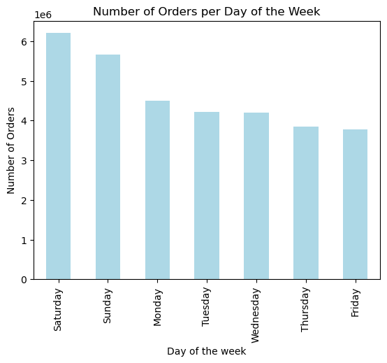
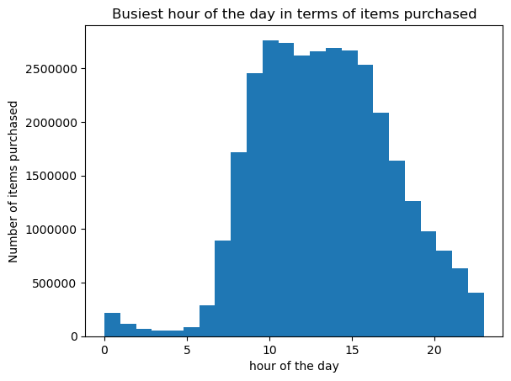

 | Fig.1 |  |  |  |  |  | Fig.2

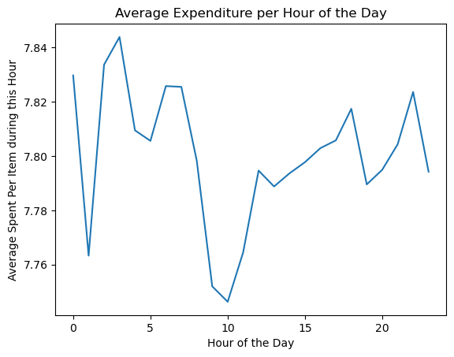
Question 2: |  |  |  | Comment: | This line chart was based on a sample of the data, as the data set was very large. The shaded area therefore represents the 95% interval confidence surrounding the data.
 |  |  |  |  | In simpler terms, it means that there is a 95% chance that the values would be comprised in the shaded area, if the entire data set was used to create this line chart.
 |  |  |  |  | The darkr blue line represents the values in the sample that was used to make this line chart.

 |  |  | fig.3
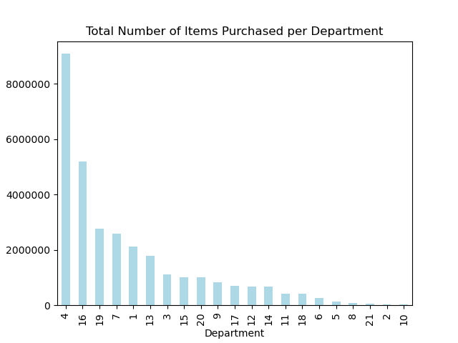
Question 4:

 |  |  | fig.4

Question 5:
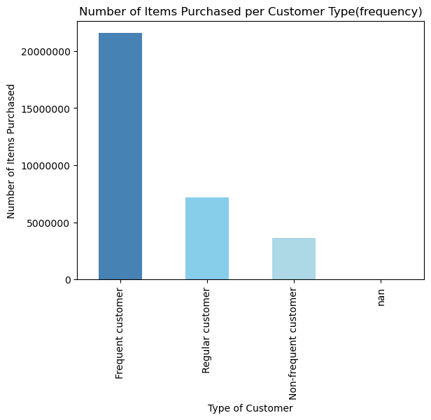

 |  |  | fig.5

Question 6:
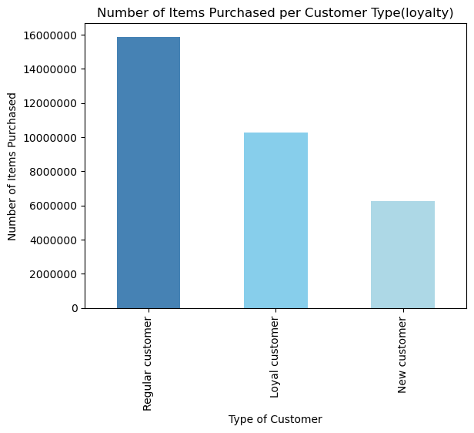

 |  |  | fig.6
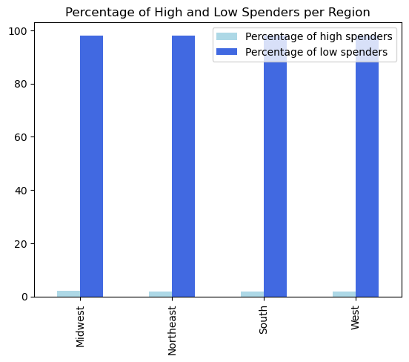
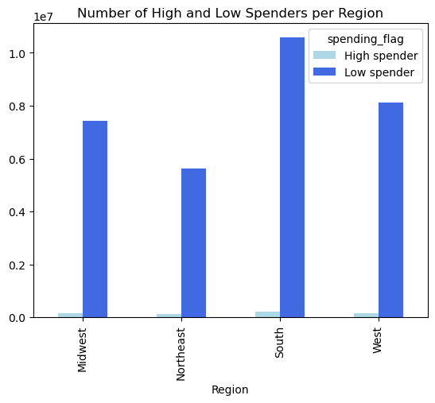
Question 7:

 |  |  | fig.7

 |  | fig.7 |  |  |  | fig.8

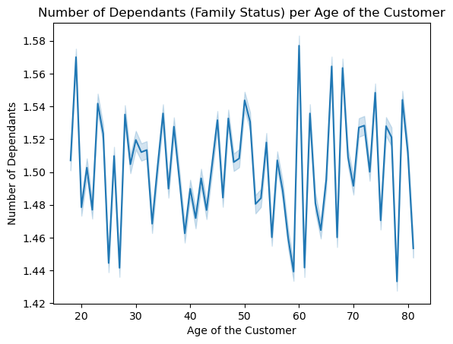
Question 8:

 |  |  | fig.9

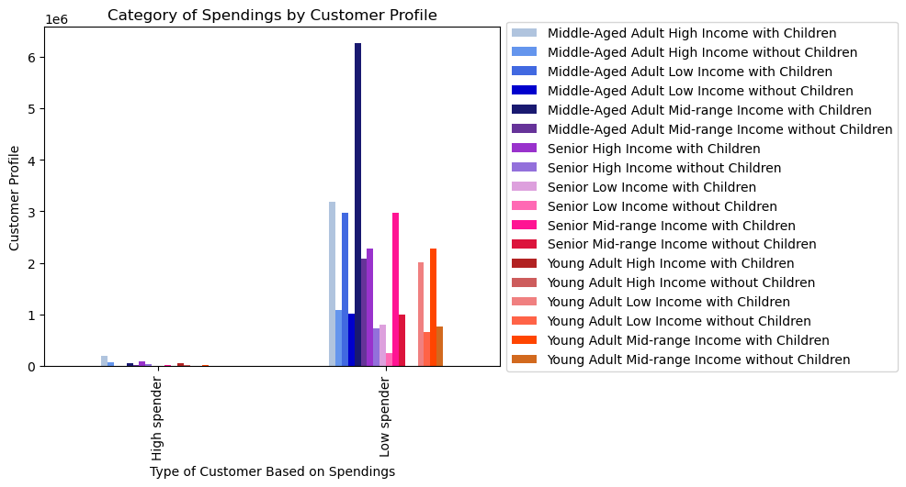
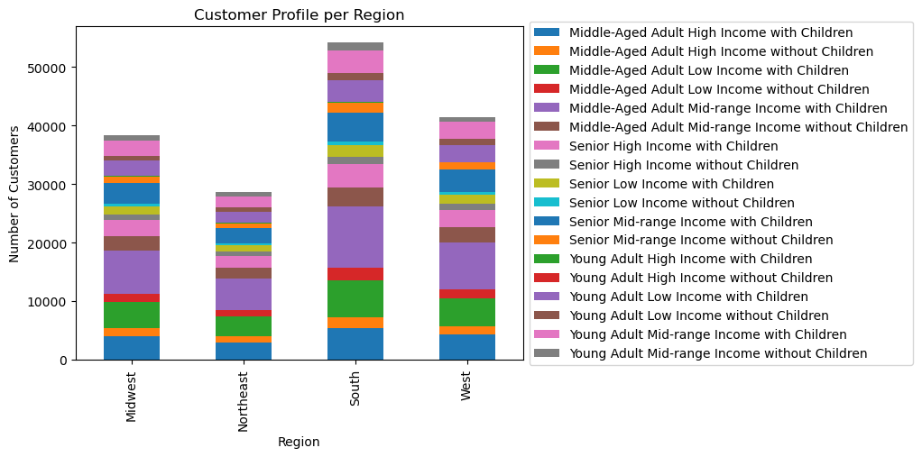
Question 10:

 |  |  | fig.10 |  |  |  |  |  | fig.11

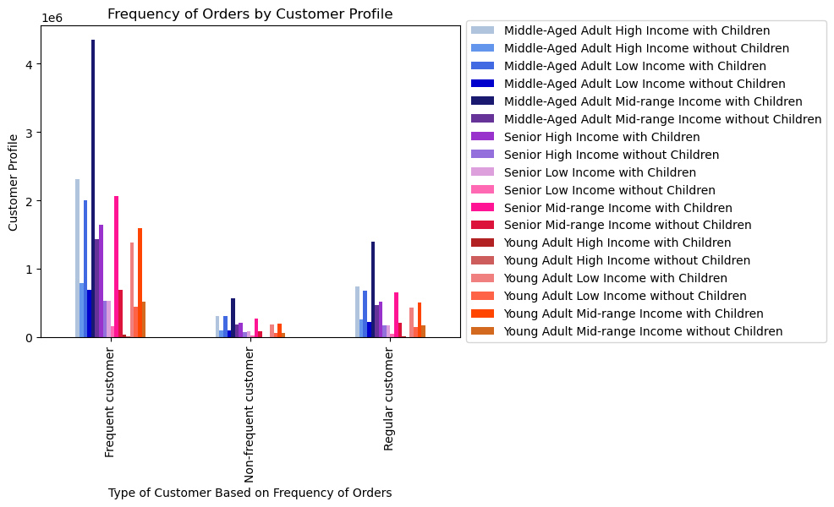
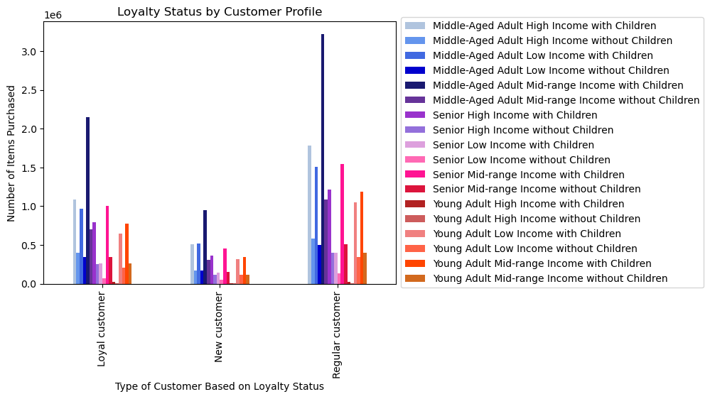

 |  | fig.12 |  |  |  |  |  | fig.13

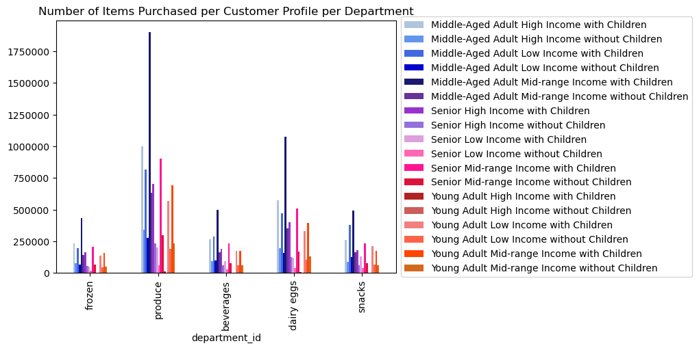

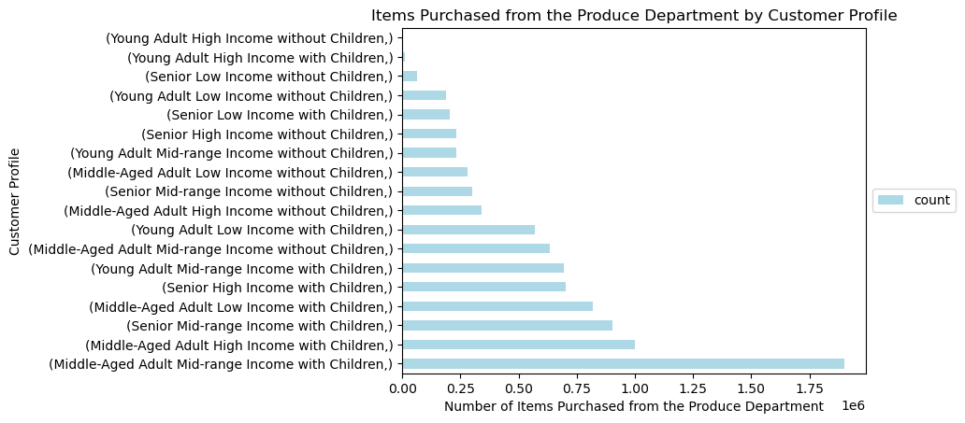

 |  |  |  |  |  |  |  | fig.15
 |  | fig.14

7. Recommendations
 | Title page

Recommendations

Questions
1. The sales team needs to know what the busiest days of the week and hours of the day are (i.e., the days and times with the most orders) in order to schedule ads at times when there are fewer orders.
The busiest day of the week in terms of orders placed is Saturday. The busiest hour of the day in terms of orders placed is 10h. The hours between 0h and 6h are the least busy in terms of orders. (see fig.1 and 2)
Marketing strategies should be informed by this information.

2. Are there particular times of the day when people spend the most money?
There is a difference in expenditure based on the hour of the day. The average price per item purchased each hour shows that customer buy more expensive items a 4h, followed by midnight, 6h, and 7h.(see fig.3) We recommend to use the information shown on this line chart with caution, as we previously saw that the hours between 0h and 6h were the ones during which the least amount of orders were made. The average price of expenditure per item between the hour of 0h and 6h may not be representative, as the average prices are calculated on smaller amount of orders.
Marketing strategies should be informed by this information.

3. Instacart has a lot of products with different price tags. Marketing and sales want to use simpler price range groupings to help direct their efforts.
A "price_range" column has been added. It categorised items into three groups: High range, Mid-range product and Low-range product. These categories can be used by the Marketing and Sales team. Most items belong to the Mid-range product category. None of the items that were purchased belonged to the "High range" category.

4. Are there certain types of products that are more popular than others? The marketing and sales teams want to know which departments have the highest frequency of product orders.
The produce department has the highest frequency of product orders. (see fig.4)

5. What’s the distribution among users in regards to their brand loyalty (i.e., how often do they return to Instacart)?
A frequency flag was created. It categorised customers into three groups: Frequent Customer,Regular Customer and Non-frequent Customer. Frequent customers make up for the majority of the customer base. (see fig.5)

6. Are there differences in ordering habits based on a customer’s loyalty status?
A loyalty flag was created. It categorised customers into three groups: Loyal Customer,Regular Customer and New Customer. The majority of the customer base belongs to the Regular Customer category. The second largest category is the Loyal Customer one. (see fig.6)

7. Are there differences in ordering habits based on a customer’s region?
The customers from the South are ordering more than customers in other regions, but the ration of low to high spenders is similar across all four regions (see fig.7 and 8)

8. Is there a connection between age and family status in terms of ordering habits?
Age and family status do not appear to be correlated when it comes to ordering habits. (see fig.9)

9. What different classifications does the demographic information suggest? Age? Income? Certain types of goods? Family status?
We have created 18 customer profiles. They are based on income, age and whether or not the customers have children.

10. What differences can you find in ordering habits of different customer profiles? Consider the price of orders, the frequency of orders, the products customers are ordering, and anything else you can think of.
Middle-aged adults with a mid-range income and children make up for the biggest part of the customer base, followed by Middle-aged adults with a high-income and children. These two profiles always make up the biggest part of each categories and ordering habits seem to be the same across customers profiles, alongside Middle-aged adults with a low income and children and Seniors with a mid-range income with children.
The exception is the "high spender" and "low spender" categories where the Middle-aged adults with a high-income and children profile is the most prominent and the Middle-aged adults with a mid-range Income and children profile comes in second position.
As the produce department is the department from which the highest amount of items are purchased, we have focused on it and observes ordering habits per profile within this department. No particular trend was discovered and Middle-aged adults with a mid-range income and children were once more the profile who purchased the most item from this department.

